Intro
Purpose of this document
This document provides a structured mapping of all input parameters and their respective data sources required to estimate service cost and delivery timeline, as part of the development of a web-based estimation tool.
The objective is to support the creation of a fully online, user-friendly solution that enables clients to independently input a simplified set of key data and instantly receive a reliable estimate of both cost and timeline.
To ensure usability and speed, input parameters will be consolidated and simplified, focusing only on the essential variables needed to generate meaningful outputs while maintaining an estimated accuracy of approximately 90%.
The underlying logic follows a structured input–output model, where:
- client and pricing data are used to generate effort and cost estimations --> Aina and MT have control to provide those parameters - (blu sheets into this document)
- scheduling data defines availability and timeline constraints --> CertIQ competence data (to be requested from them) - (orange sheets into this document)
- additional buffers and operational rules refine the final delivery estimate --> a combination of the 2 lines above
See the flow structure below.

Audit Baseline
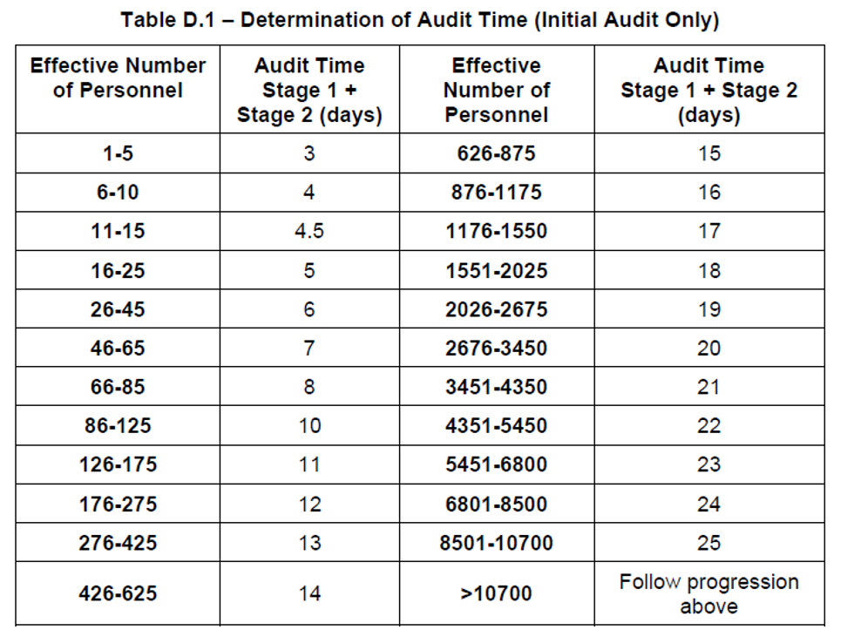
 |  |  | IAF MD9 Time Reductions (For baseline calculation) |  |  | IAF MD9 Time additions (for baseline calculation) |  |  | Standard Combination
ID | Question | Expected Format | Low complexity activities | -15% | When the audit scope only includes processes that involve a small number of low complexity activities. Scopes including sterile devices would not be classed as low complexity. For example: distribution only, or simple manual assembly only. | Multiple certificates | 10% | Where there are more than 10 certificates issued (excluding Technical Documentation Assessment certificates), or certificates under different conformity assessment routes or several different trading names. |  | If, in a given year, the ISO baseline audit time exceeds the MDR audit time, the ISO duration already accounts for the additional ISO‑only devices, and the +1.0 / +2.0 days shall not be added.
#B.001 | Select Standards | Multiplechoice |  |  |  | Very large site or complicated logistics | +10% | Where the site is very large in relation to the number of FTE included in the scope of the audit or there are many separate buildings and it is assessed that movement around the site will take significant audit time. This factor is not applicable to individual sites that are part of a multisite client. | MDSAP + | Calculate the MDSAP audit time using the GP1100008 MDSAP Audit Duration Calculation.
#B.002 | Company Location | Dropdown , one option | Reduction of scope | -10% | If important scope reduction (reduced range of product or reduced number of personnel) |  |  |  | ISO 13485/EU MDR/EU IVDR/ UK MDR | For all other schemes, calculate the audit time according to Section 7.1 and identify the longest duration.
#B.003 | The organization has been certified by SGS under another quality management system standard for at least one complete and effective certification cycle | [x] | Same simple function | -15% | Where a significant proportion of staff carry out the same simple manufacturing or service function. This cannot be applied to a client with less than 16 employees. | Multiple shifts | 10% | If the manufacturer is operating in more than two shifts, add additional time to allow auditor to cover all shifts |  | To calculate the on-site time for combined MDSAP+MDR/IVDR/ UK MDR Use the longest audit duration of the two as the base, then add +50% of the remaining scheme duration. For this calculation, do not apply standard rounding to the nearest half‑day; instead, always round each duration up to the next half‑day before applying the 50% rule.
#B.004 | Effective number of personnel (FTE) | Numeric | Virtual manufacturer or no manufacturing activity on site | -15% | Where the client is a virtual manufacturer and has outsourced all the manufacturing processes in their scope (for all the medical devices included in the scope) or for a site where there is no manufacturing activity | High Risk devices | 10% | EU MDR/UK MDR: Regulations audit scope including one or more class III or IIb implantable medical devices or class IIb rules 12. |  | Add standard reporting time for MDSAP and MDR/IVDR/UK MDR. For MDSAP add 25-40% of the on-site MDSAP time. For MDR/IVDR/ UKMDR add +1 day.
#B.005 | Number of clean rooms used for device manufacturing | Numeric | Distributor (Article 16) | -50% | When the client is only a distributor requesting audit as per EU MDR/IVDR Article 16. |  |  | EU IVDR/UK MDR: Regulations audit scope including one or more self-testing or near-patient testing devices or Class D devices. |  | No additional reporting time or on-site time is required for the other schemes.
#B.006 | Activities | Dropdown list: Multiplechoice | Maturity of quality system* | - 15% for one | For existing SGS clients, with one/two complete and effective 3-year certification cycles of the same certification, this would be applied for recertification proposals only. Details of the SGS certificates must be documented on CWS. | Complex or high-risk activities | 10% | Where there are significant highly complex processes (e.g. software design and validation, critical surface treatments) or a high number of unique activities for the number of FTE’s. |  | Fill in MDSAP adjustment tables in section 7.b of the CWS.
#B.007 | Number of shifts | Numeric |  | complete cycle | Effective means evidence of good performance of the QMS in previous audit reports, with a maximum of 1 major, and less than 10 minors over the most recent 3 audits. | Use of suppliers or subcontractors for critical part or manufacturing steps | 10% | Add up to 10% to verify purchasing activity associated to relevant supplier or subcontractor. This should be added for any of the following reasons: |  | In case of combined schemes and until MDR/IVDR certification is granted, two audit packs must be submitted: one for MDR/IVDR and a second one with all others schemes documents.
 |  |  |  |  | Complete means a full certification cycle i.e. one recertification done for one cycle, two recertification for two cycles. |  |  | - Subcontractor is making the entire device (except if the client is a virtual manufacturer whose devices are manufactured by a single subcontractor)
 |  |  |  | -20% for two complete cycles | For clients from another CB/NB transferring to SGS there needs to be evidence of one/two complete and effective 3-year certification cycles of the same certification standards. If this is not available, the reduction cannot be applied. |  |  | - More than 15 relevant subcontractors
If we want to increase accuracy, we should ask questions to figure out: |  |  |  |  | CWS Raisers must confirm details of effective certification with the client to apply for this reduction, which means the client must provide copies of their previous reports as evidence. If the client does not wish to provide these at the preapplication stage then this should be treated as “other existing certification”, and only a 10% reduction can be applied. |  |  | - More than 2 relevant subcontractors without appropriate certification
Same simple function | Where a significant proportion of staff carry out the same simple manufacturing or service function. This cannot be applied to a client with less than 16 employees. | -15% |  |  | Details must be documented in CWS, and evidence of certification submitted with CWS. | Translation required | 10% | Staff speaking different language from audit team, QMS in different language, requiring interpreter(s) or preventing individual auditors from working fully independently.
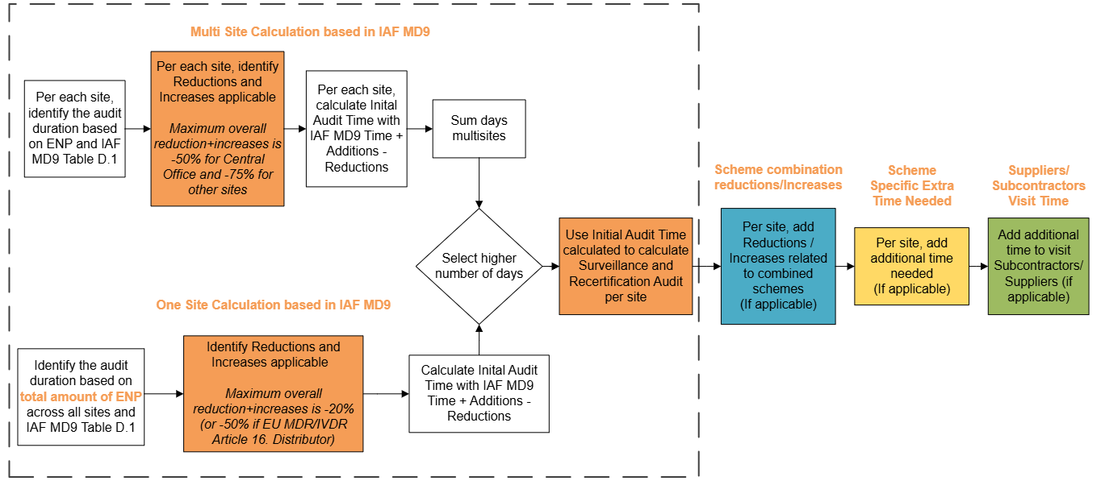
Virtual manufacturer or no manufacturing activity on site | Where the client is a virtual manufacturer and has outsourced all the manufacturing processes in their scope (for all the medical devices included in the scope) or for a site where there is no manufacturing activity | -15% |  |  | This is not applicable for initial MDR/IVDR certification |  |  | If a local SGS auditor is required to act as full-time translator in the team, rather than as an auditor, then additional time to the audit duration would be needed for this team member.
 |  |  | Prior knowledge - | -15% | Prior knowledge of the client’s QMS by SGS i.e. existing certification to another quality system standard issued by SGS, for at least one complete and effective certification cycle. Details must be documented on CWS. | Poor regulatory compliance | +10 to 30% | Poor regulatory compliance by the manufacturer would be shown by evidence in previous audit reports - applies either when recertification proposal is raised for an existing client (or under other special circumstances), or for a new client to SGS where there is evidence from another bodies reports for their previously certification.
 |  |  | Existing SGS QMS Certification* |  | For example: existing SGS certification to 13485 or MDSAP, taken into account for new certification for MDR/IVDR/UK MDR. |  |  | This criterion requires input from a member of Medical device Management MDM .
 |  |  |  |  | Effective means evidence of good performance of the QMS in previous audit reports, with a maximum of 1 major, and less than 10 minors over the most recent 3 audits.
 |  |  |  |  | Complete means a full certification cycle i.e. one recertification done for one cycle
 |  |  | Other Existing certification * | -10% | Used in situations where Client has existing accredited QMS certification with another certification body. For example: they hold ISO 13485 and now want MDD/MDR/IVDR/UK MDR from SGS. They must have held the certification for at least one complete certification cycle. SGS can take this into account as they have a level of preparedness for the new SGS certification cycle. Details must be documented on CWS, and evidence of existing certification submitted with the CWS.
 |  |  |  |  | Where possible CWS Raisers should confirm that there are no outstanding Major CARs with clients and document this on the CWS.
 |  |  |  |  | Complete means a full certification cycle i.e. one recertification done for one cycle.
 |  |  |  |  | Note – in some cases for medical devices, certification for pharmaceutical GMP (as part of drug licensing approval) issued by a recognized body may be considered as existing certification. The CWS Raiser should contact the MDO for advice before submitting CWS.
 |  |  | No Head Office QMS management activities | -20% | This reduction is for multi-site plans only. The QMS management and QA activities will normally take place at the Central Office (head office / main site). For the other sites, where this is not taking place, we can allow a reduction of -20% (or if solely for the certification scope of distribution or transportation services up to 50%).
 |  |  |  | Or
 |  |  |  | -50%
 |  |  | * NOTE: Only one of the above factors relating to existing certification can be applied

Sampling Code
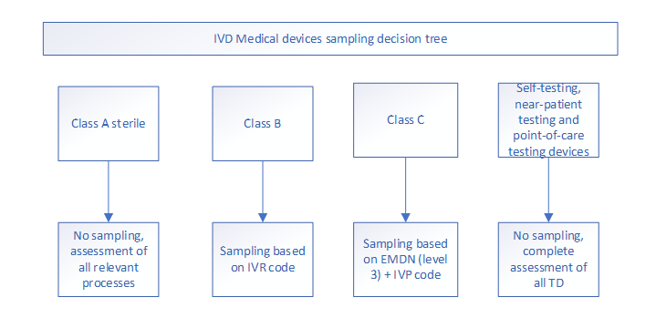
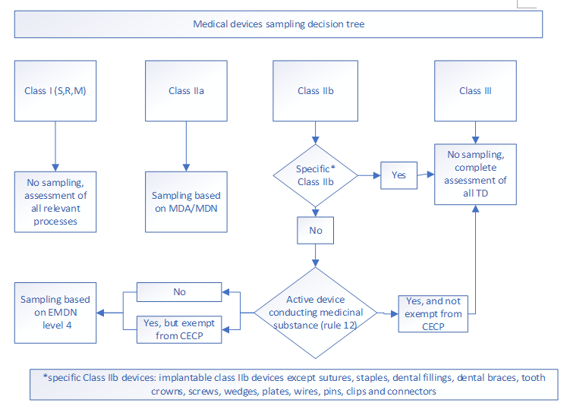
Data based on LPMDR.IVDREG1013

